Cover
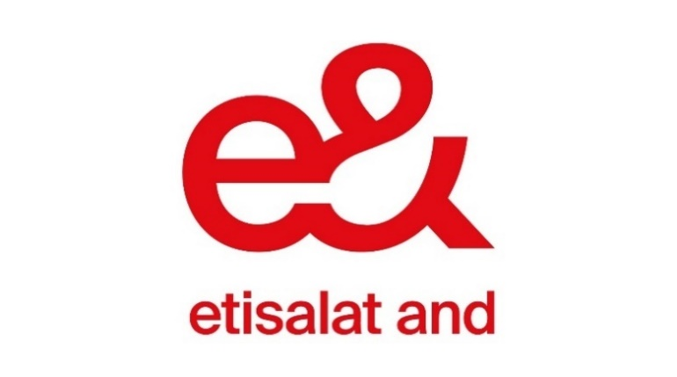

Emirates Telecommunications Group Company PJSC

Financial Performance - Supplemental Data

Q2 2026

Contents:
1. | Financial Summary
2. | Operational Summary
3. | Statement of Profit or Loss
4. | Statement of Financial Position
5. | Statement of Cash Flow

